Sheet1

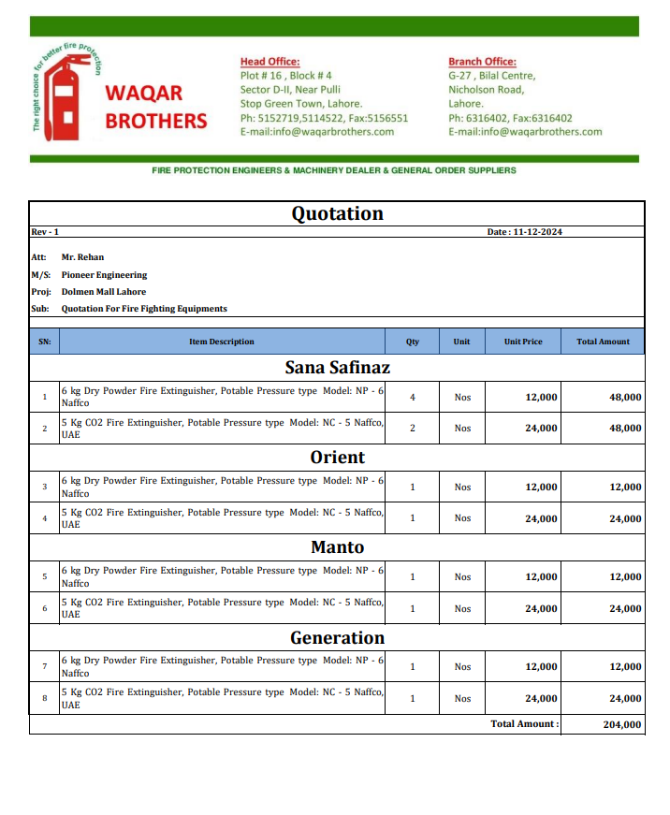

M/S Waqar Brothers |  |  |  |  | 11-Dec-24
Att: Mr. Salman

PO # 127
Purchase Order

Supply of Fire Extinguishers - Dolmen Mall Lahore Projects
S No. | D e s c r i p t i o n | Qty | Unit | Rate | Amount
 | SANA SAFINAZ MALL DML
1 | 6 kg Dry Powder Fire Extinguisher, Potable Pressure type Model: NP - 6 Naffco | 4 | Nos | 12,000 | 48,000 | 2,577 | 3,015
2 | 5 Kg CO2 Fire Extinguisher, Potable Pressure type Model: NC - 5 Naffco, UAE | 2 | Nos | 24,000 | 48,000
 | ORIENT MALL DML
1 | 6 kg Dry Powder Fire Extinguisher, Potable Pressure type Model: NP - 6 Naffco | 1 | Nos | 12,000 | 12,000
2 | 5 Kg CO2 Fire Extinguisher, Potable Pressure type Model: NC - 5 Naffco, UAE | 1 | Nos | 24,000 | 24,000
 | MANTO MALL DML
1 | 6 kg Dry Powder Fire Extinguisher, Potable Pressure type Model: NP - 6 Naffco | 1 | Nos | 12,000 | 12,000
2 | 5 Kg CO2 Fire Extinguisher, Potable Pressure type Model: NC - 5 Naffco, UAE | 1 | Nos | 24,000 | 24,000
 | GENERATION MALL DML
1 | 6 kg Dry Powder Fire Extinguisher, Potable Pressure type Model: NP - 6 Naffco | 1 | Nos | 12,000 | 12,000
2 | 5 Kg CO2 Fire Extinguisher, Potable Pressure type Model: NC - 5 Naffco, UAE | 1 | Nos | 24,000 | 24,000
Total |  |  |  |  | 204,000 |  | -

for Pioneer Engineering Services

 |  |  |  |  |  |  | -
 |  |  |  |  |  |  | -
 |  |  |  |  |  |  | -
 |  |  |  |  |  |  | -
M. BILAL HABIB |  |  |  |  |  |  | -
 |  |  |  |  |  |  | -
 |  |  |  |  |  |  | -
 |  |  |  |  |  |  | -
 |  |  |  |  |  |  | -
 |  |  |  |  |  |  | -
 |  |  |  |  |  |  | -
 |  |  |  |  |  |  | -
 |  |  |  |  |  |  | -
 |  |  |  |  |  |  | -

